On running Cloud X4 (Men)
 |  |  |  | Men
 |  |  |  | 7 | 7.5 | 8 | 8.5 | 9 | 9.5 | 10 | 10.5 | 11
Style | Picture | Style No. (Men） | Color | 40 | 40.5 | 41 | 42 | 42.5 | 43 | 44 | 44.5 | 45 | Total
Cloud X4 | 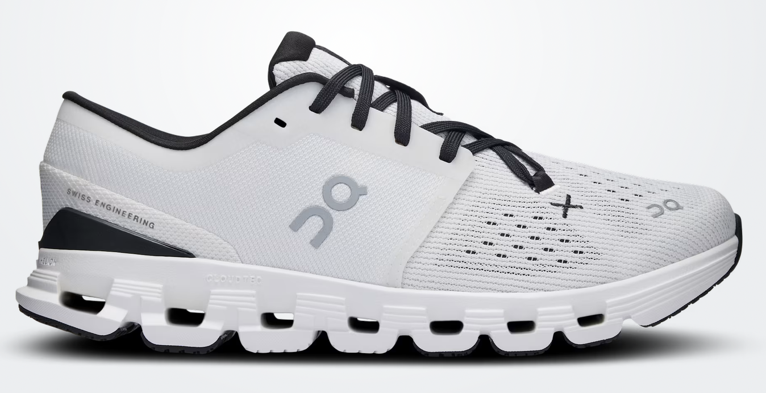 | 3ME30040791 | Ivory | Black | 96 | 96 | 72 | 84 | 84 | 24 | 96 | 36 | 36 | 624
Cloud X4 | 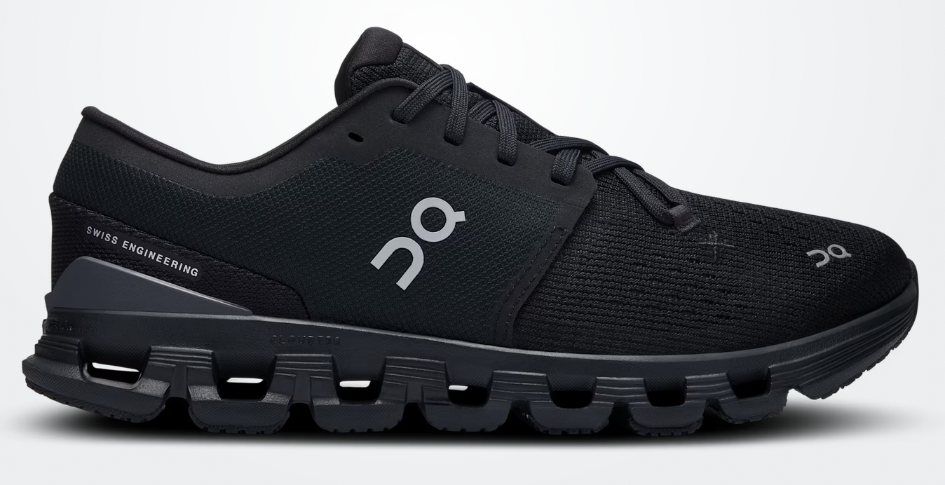 | 3ME30040106 | Black | Eclipse | 96 | 96 | 72 | 84 | 84 | 24 | 96 | 36 | 36 | 624
Cloud X4 | 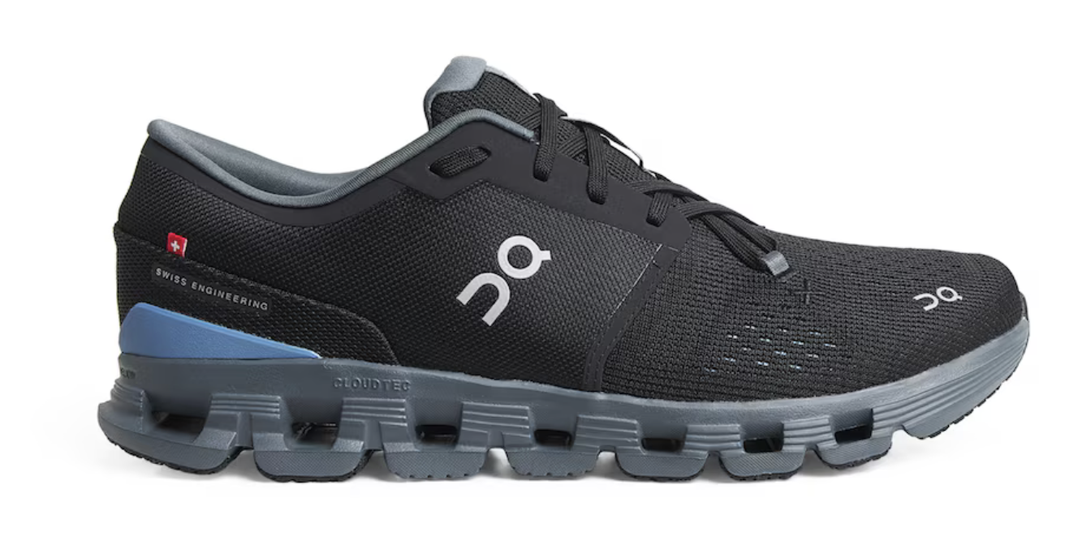 | 3ME30041446 | Black | Chambray | 300 | 240 | 360 | 360 | 240 | 408 | 240 | 180 | 180 | 2508
Cloud X4 | 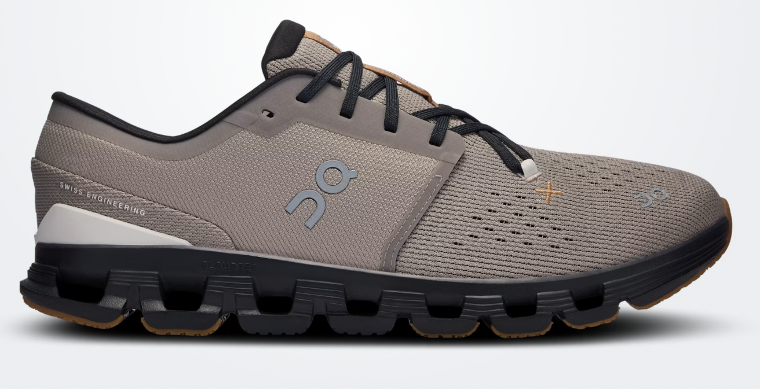 | 3ME30042532 | Fog | Black | 300 | 240 | 360 | 360 | 240 | 360 | 240 | 180 | 180 | 2460
Total |  |  |  | 792 | 672 | 864 | 888 | 648 | 816 | 672 | 432 | 432 | 6216

